App LZ Diagram
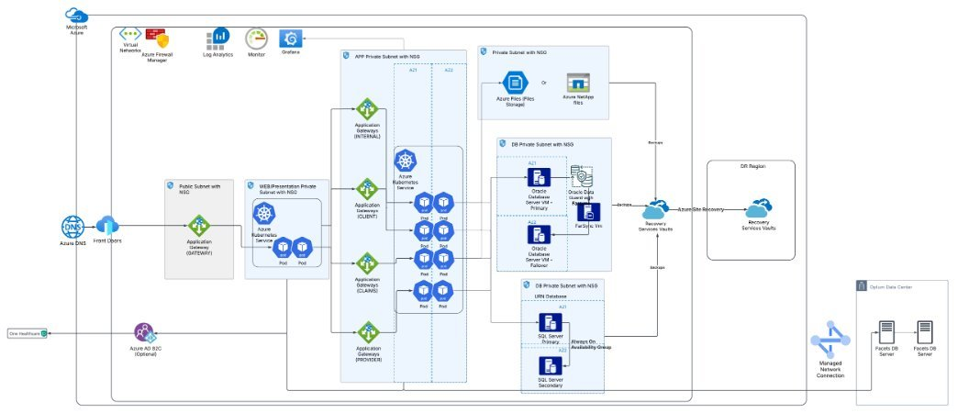

Naming Convention
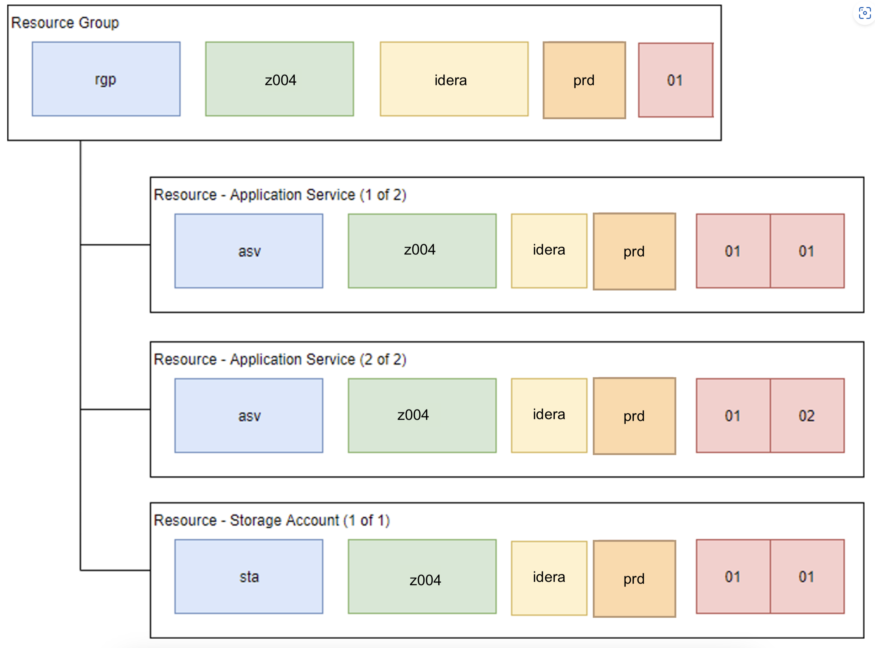

 |  |  | {​
 |  |  | "aide-id" = "AIDE_0090093"​
 |  |  | "environment" = "<environment>"​
 |  |  | "service-tier" = "<p1 or p2 or p3>"​
 |  |  | "itsm-assignment-group" = "<assignment group>"​
 |  |  | "risk-record" = "<optional value>"​
 |  |  | "source-code-repo" = "<source code uri>"​
 |  |  | "dr-tier" = "<active or standby or restoration>"​
 |  |  | }​

**** Please Note: Virtual Machines will be named: 2 characters for the resource type and 5 numerical digits i.e. VM00001

Naming components | Major pieces of context that will be used to construct resource names.
Naming component |  | Description | Examples
Provider Type | 1 | A code to identify the Public Cloud provider | a = AWS z = Azure g = GCP
Resource Type | 3 | A unique fixed-width, 3 character code that identifies the resource. | Please see Resource Type table below.
Environment ID | 4 | A fixed-width, 4 character code, defined by the subscription / account code. This identifies the cloud provider and the subscription or account for the given resource. | z001, z002, a001
Product ID | 5 | A fixed-width, 5 character string that identifies what product the resource belongs to. This string is free-form, however using cost codes or product codes may be beneficial here. It must be lower case. Uniqueness checked within the same Azure subscription. | idera = Idera datac = Data Cloud ident = ELZ Identity
Environment ID | 3 | A unique fixed-width, 3 character code that identifies the environment resource. For example, Production, UAT or Development. | prd, dev, uat, tst
Product Instance ID | 2 | Resources have a 2 digit instance ID. The Product Instance refers to number of instances of the same product. There may be multiple instances of the same product, albeit with variations in the infrastructure and/or code. | 01, 02

Resource type Shortcodes | Shortcode used to quickly identify resources by type.
Resource name shortcodes | Resource type
aac | Api Connections
ac | Appliance Compute (VM)
agw | Application Gateway
ain | Application Insights
asp | Application Service Plan
asv | Application Service
ata | Automation Account
avs | Availability Set
azf | Azure Function
dns | DNS Resolver
ehn | Event Hub Namespace
ehu | Event Hub
fun | Function App
kvl | Key Vault
law | Log Analytics Workspace
lcs | Linux Compute (VM scale set)
loc | Resource Lock
nep | Network Endpoint
nex | Express Route
nfp | Firewall Policy
nfw | Azure Firewall
nig | IP Group
nlb | Load balancer
nlg | Local Network Gateway
nrt | Routing table
nsg | Network security group
nsr | Network Security Rule Secondary
nva | Network Virtual Appliance
nvg | Virtual Network Gateway
nvn | Virtual Network
nwp | Azure Firewall Policy
pfx | IP Prefix
pgs | Postgres SQL Server
pip | Public IP Address
pnr | Postgres SQL Virtual Network Rule
rgp | Resource group
rsm | Recovery Services protect virtual machine
rsp | Recovery Service Policy for VMs
rsv | Recovery Services Vault
sap | Static Web App
sep | Microsoft Azure SQL elastic pool
sfs | Storage File Share
spn | Entra ID Service Principle
sfg | Microsoft Azure SQL Failover Group
sqi | Microsoft Azure SQL Managed Instance
sqp | Microsoft Azure SQL elastic pool (vCore + DTU)
sqs | Microsoft Azure SQL database server
squ | Azure SQL User for product
sta | Storage Account
wcs | Windows Compute (VM scale set)

VMPxxxxx = Production VM (using a sequential numbering system)
VMUxxxxx = UAT VM (using a sequential numbering system)
VMTxxxxx = Live Test VM (using a sequential numbering system)
VMSxxxxx = System Test VM (using a sequential numbering system)
VMDxxxxx = Development VM (using a sequential numbering system)

